Budget
ENTER YOUR INFORMATION IN THE GREEN CELLS
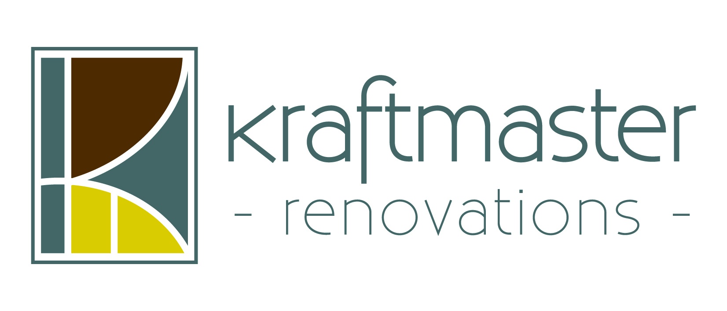
BATHROOM BUDGET ESTIMATOR

Remodeling your bathroom will add substantial value to your home.
Budget is one of the most important elements in determining your starting point.
In order to maximize your investment, a typical bathroom should represent between 5% and 12% of your home's value.
Entering your home's current approximate value below you can find out the estimated budget for your bathroom.
Based on the design, size, scope & selections of your project your project may be above or below budget proposals.
 |  |  |  |  |  |  |  |  | OR ENTER
 |  |  |  | TYPICAL |  |  |  |  | A FIXED
Percentage of Investment: |  | 5% | 6.00% | 7% | 8.00% | 10% | 11.00% | 12% | BUDGET
Your Homes Currrent Approximate Value: | $350,000
Suggested Investment of Homes Value: |  | $17,500 | $21,000 | $24,500 | $28,000 | $35,000 | $38,500 | $42,000 | $65,000
(For total bathroom remodel)

BREAKDOWN OF INVESTMENT
Design | 4% | $700 | $840 | $980 | $1,120 | $1,400 | $1,540 | $1,680 | $2,600
Cabinets | 10.5% | $1,838 | $2,205 | $2,573 | $2,940 | $3,675 | $4,043 | $4,410 | $6,825
Countertops | 6.0% | $1,050 | $1,260 | $1,470 | $1,680 | $2,100 | $2,310 | $2,520 | $3,900
Plumbing Fixtures & Shower Doors | 13.0% | $2,275 | $2,730 | $3,185 | $3,640 | $4,550 | $5,005 | $5,460 | $8,450
Misc Materials {framing, trim, doors, etc} | 4.0% | $700 | $840 | $980 | $1,120 | $1,400 | $1,540 | $1,680 | $2,600
Misc Services {dumpster, cleaning service, site protection, etc} | 3.5% | $613 | $735 | $858 | $980 | $1,225 | $1,348 | $1,470 | $2,275
Plumbing Labor | 10.0% | $1,750 | $2,100 | $2,450 | $2,800 | $3,500 | $3,850 | $4,200 | $6,500
Electrical | 7.0% | $1,225 | $1,470 | $1,715 | $1,960 | $2,450 | $2,695 | $2,940 | $4,550
Sheetrock & Cement Board | 4.0% | $700 | $840 | $980 | $1,120 | $1,400 | $1,540 | $1,680 | $2,600
Lighting | 2.0% | $350 | $420 | $490 | $560 | $700 | $770 | $840 | $1,300
Painting | 2.5% | $438 | $525 | $613 | $700 | $875 | $963 | $1,050 | $1,625
Tile | 3.5% | $613 | $735 | $858 | $980 | $1,225 | $1,348 | $1,470 | $2,275
Ventilation | 1.0% | $175 | $210 | $245 | $280 | $350 | $385 | $420 | $650
Labor | 9.0% | $1,575 | $1,890 | $2,205 | $2,520 | $3,150 | $3,465 | $3,780 | $5,850
Project management, supervision, overhead, profit | 20.0% | $3,500 | $4,200 | $4,900 | $5,600 | $7,000 | $7,700 | $8,400 | $13,000
 | 100.0% | $17,500 | $21,000 | $24,500 | $28,000 | $35,000 | $38,500 | $42,000 | $65,000

The average price of a mid-range bathroom remodel in New Jersey for 2011-12 from the Remodeling Magazine is $20,531, and an up-scale remodel is $64,311.

The Budget Estimator concept is from KraftMaster Renovations based in Florham Park, New Jersey.

